Calculator
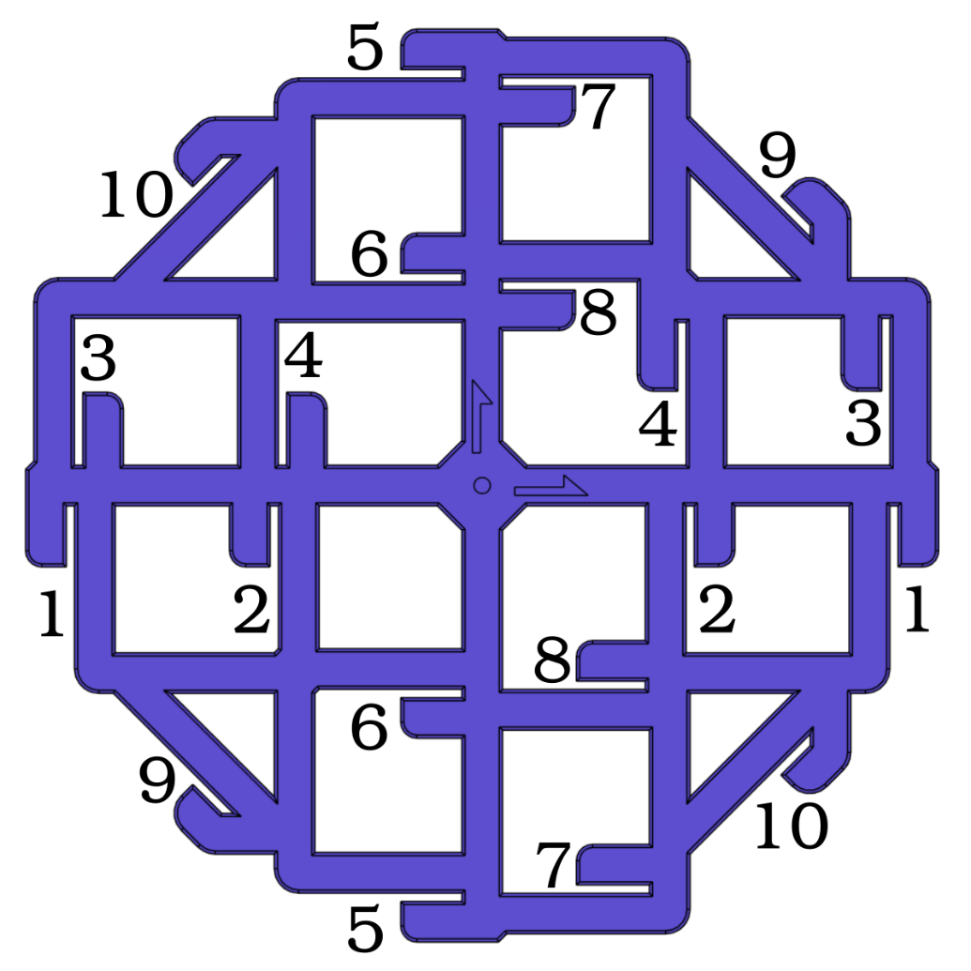
Vector 3D Califlower
Measurements
(This spreadsheet is locked to prevent accidental modification)
 | Scale | 100%
 | (if you have a larger printer, and larger tools, you can print at larger scale)

 | Reading 1 | Reading 2 | Reading 3 | Average
1 | 100.00 | 100.00 | 100.00 | 100.00
2 | 50.00 | 50.00 | 50.00 | 50.00
3 | 100.00 | 100.00 | 100.00 | 100.00
4 | 50.00 | 50.00 | 50.00 | 50.00
5 | 100.00 | 100.00 | 100.00 | 100.00
6 | 50.00 | 50.00 | 50.00 | 50.00
7 | 100.00 | 100.00 | 100.00 | 100.00
8 | 50.00 | 50.00 | 50.00 | 50.00
9 | 100.00 | 100.00 | 90.00 | 96.67
10 | 100.00 | 100.00 | 100.00 | 100.00

 | Green | <1mm deviation. Measurement seems ok. Continue.
 | Yellow | >1mm deviation warning. Double-check your measurement.
 | Red | >5mm deviation warning. Steps/mm or large measurement error.

Results |  |  |  |  | What the Results Mean
 | Error | Correction |  |  | If X and Y errors are both negative, your print is undersize by the percentage shown.
X | 0.00% | 0.00% |  |  | If X and Y errors are both positive, your print is oversize by the percentage shown.
Y | 0.00% | 0.00% |  |  | If X and Y errors are very different from each other, check your steps/mm and belt tension.
 |  |  |  |  | If you have CoreXY, X and Y are 'locked' to each other so use the average of the two errors.
 | Measured | Correction |  |  | For X and Y see 'Fix Size' below. For skew see 'Fix Skew'
Angle | 91.94° |  |  |  | Inner and Outer errors are averages that include X and Y dimensions that may be useful to diagnose over/under extrusion.
Skew | 1.94° | -1.94° |  |  | If inner is negative, and outer is positive, this could indicate over extrusion.
 |  |  |  |  | If inner is positive, and outer is negative, this could indicate under extrusion.
 | Measured | Correction
Inner | 0.00% | 0.00% |  |  | Tips For Implementation
Outer | 0.00% | 0.00% |  |  | Ensure you have calibration Extuder Step/mm before doing this test.
 |  |  |  |  | Ensure you have XYZ Steps/mm set approximately correct before doing this test.
Fix Skew |  |  |  |  | If you have quite large skew error (>0.5°), correct this first before doing XY scale compensation.
Note: Because of the way excel works, you may find "," and "." get switched for your regional language settings. |  |  |  |  | Superslicer is the only slicer with Material XY Shrinkage compensation. If you use Cura, PS, ideamaker etc you will have to use steps/mm (or rotation distance) for the printer instead, or remember to scale the print for different materials
Klipper G Code Fix

 | Add | [skew_correction] |  | to printer.cfg
 | Send Command | SET_SKEW XY=96.67,100,70.71 |  | via console
 | Send Command | SKEW_PROFILE SAVE=CaliFlower |  | via console
 | Send Command | SAVE_CONFIG |  | via console
 | Add | SKEW_PROFILE LOAD=CaliFlower |  | to end of start G code
 | Add | SET_SKEW CLEAR=1 |  | to start of end G code

Marlin Firmware Adjustment

 | Add | if ENABLED(SKEW_CORRECTION) |  | to firmware
 | Add | define XY_DIAG_AC 96.6667 |  | to firmware
 | Add | define XY_DIAG_BD 100 |  | to firmware
 | Add | define XY_SIDE_AD 70.7107 |  | to firmware

Marlin Firmware Adjustment (alternative)

 | Add | if ENABLED(SKEW_CORRECTION) |  | to firmware
 | Add | define XY_SKEW_FACTOR -0.065697 |  | to firmware

Marlin G-Code Adjustment

 | Ensure | #define SKEW_CORRECTION_GCODE |  | in firmware
 | Send Command | M852 I-0.065697 |  | via console
 | Send Command | M500 |  | via console

RepRap Firmware Adjustment
 |  |  |  |  | Share
 | Add | M556 S100 X3.393 |  | to config.g | Feel free to share your success and results on twitter, facebook, instagram etc
 |  |  |  |  | Tag me using @Adam_V3D and use #califlower
Fix Size
Material XY shinkage Compensation

 | Super/Orca Slicer | 100.00
 | Or
 | XY Part Scale (%) | 100.00

Steps/mm
 |  | Input your values below
 | Current Steps/mm (X) | 100
 | Current Steps/mm (Y) | 100

 | New Steps/mm (X) | 100.00
 | New Steps/mm (Y) | 100.00

Rotation Distance
 |  | Input your values below
 | Current Rot. Dist. (X) | 100
 | Current Rot. Dist. (Y) | 100

 | New Rot. Dist. (X) | 100.00
 | New Rot. Dist. (Y) | 100.00

